Sheet1

PIONEER SERVICES

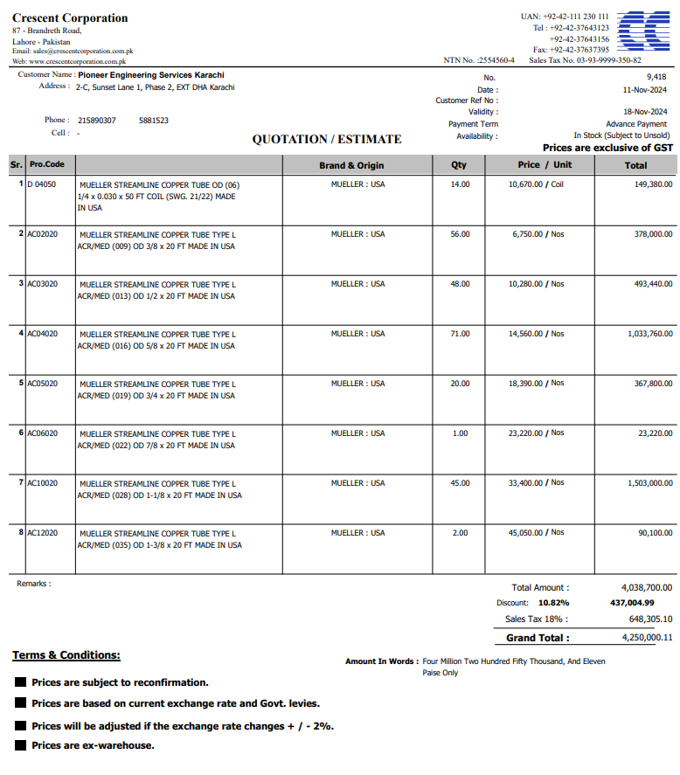


M/S Crescent corporation |  |  |  |  | 29-Nov-24

PO # 13478

Att: Mr. Atif Munawwar

PURCHASE ORDER

Supply of Mueller Brand Copper pipe for the project NICVD
S No. | D e s c r i p t i o n | Qty | Unit | Rate | Amount
 | Brand: Mueller USA |  |  |  |  | 575,000
1 | Supply of Copper tube size 1/4" Dia | 14 | Coil | 10,670 | 149,380
2 | Supply of Copper L-Type Mueller USA 3/8" Dia | 56 | Len | 6,750 | 378,000
3 | Supply of Copper L-Type Mueller USA 1/2" Dia | 48 | Len | 10,280 | 493,440
4 | Supply of Copper L-Type Mueller USA 5/8" Dia | 71 | Len | 14,560 | 1,033,760
5 | Supply of Copper L-Type Mueller USA 3/4" Dia | 20 | Len | 18,390 | 367,800
6 | Supply of Copper L-Type Mueller USA 7/8" Dia | 1 | Len | 23,220 | 23,220
7 | Supply of Copper L-Type Mueller USA 1-1/8" Dia | 45 | Len | 33,400 | 1,503,000
8 | Supply of Copper L-Type Mueller USA 1-3/8" Dia | 2 | Len | 45,050 | 90,100
 |  | TOTAL: |  |  | 4,038,700
Discount 10.82% |  |  |  |  | 437,005
Total amount |  |  |  |  | 3,601,695
Sales Tax 18% |  |  |  |  | 648,305
Total amount |  |  |  |  | 4,250,000

Note: This PO is subject to the consultant's approval.

for IK Associates

